Detailed Investigation Result
Detailed Investigation Result

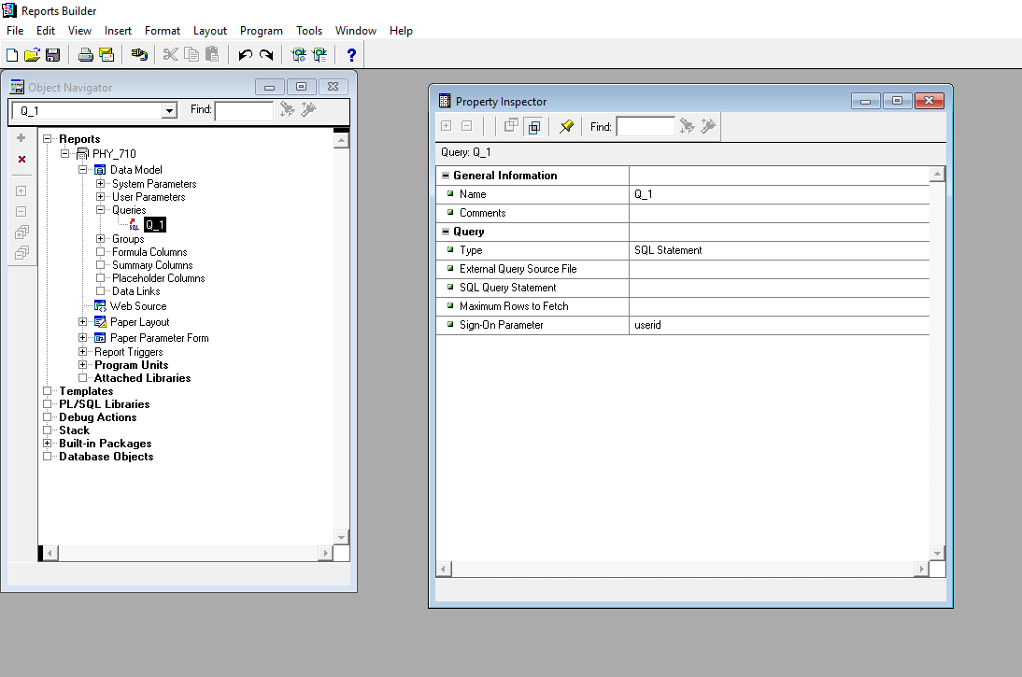

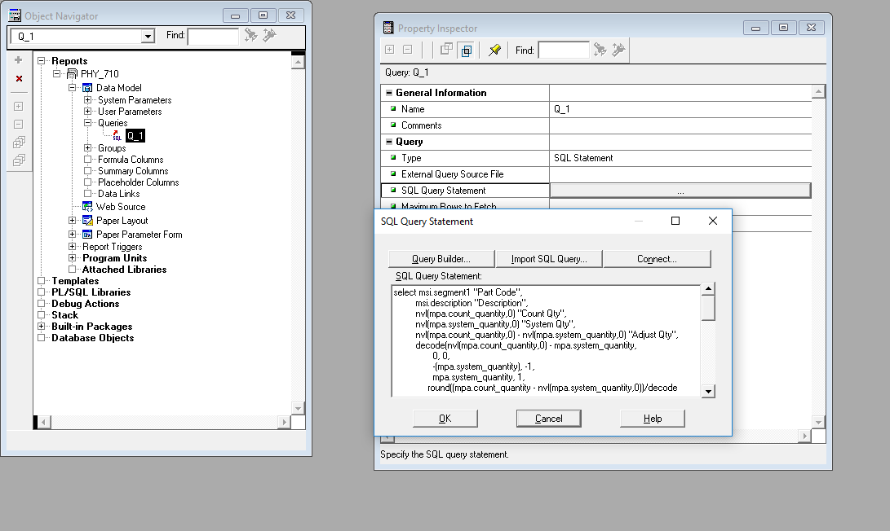

 | FROM THIS QUERY
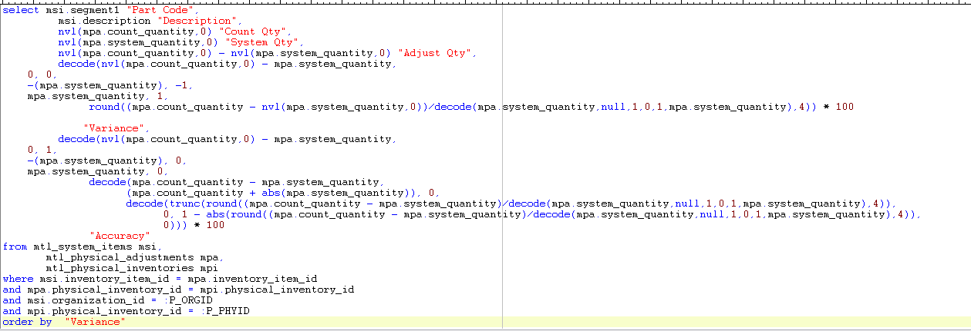

 | TO THIS QUERY

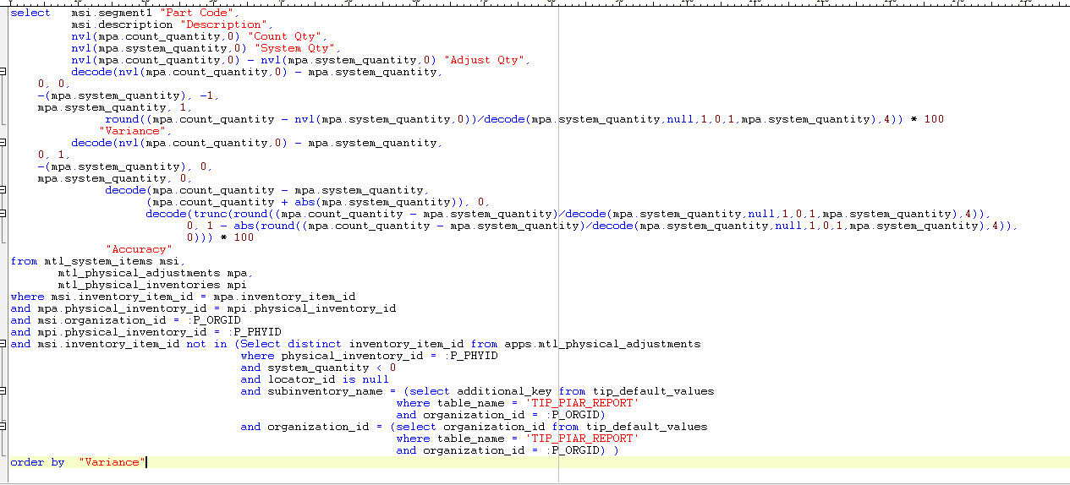

 | SEE BELOW TEST DATA IN LIVE ENVIRONMENT

 | ORACLE REPORTS FILE To COMPILE

Helpdesk Request
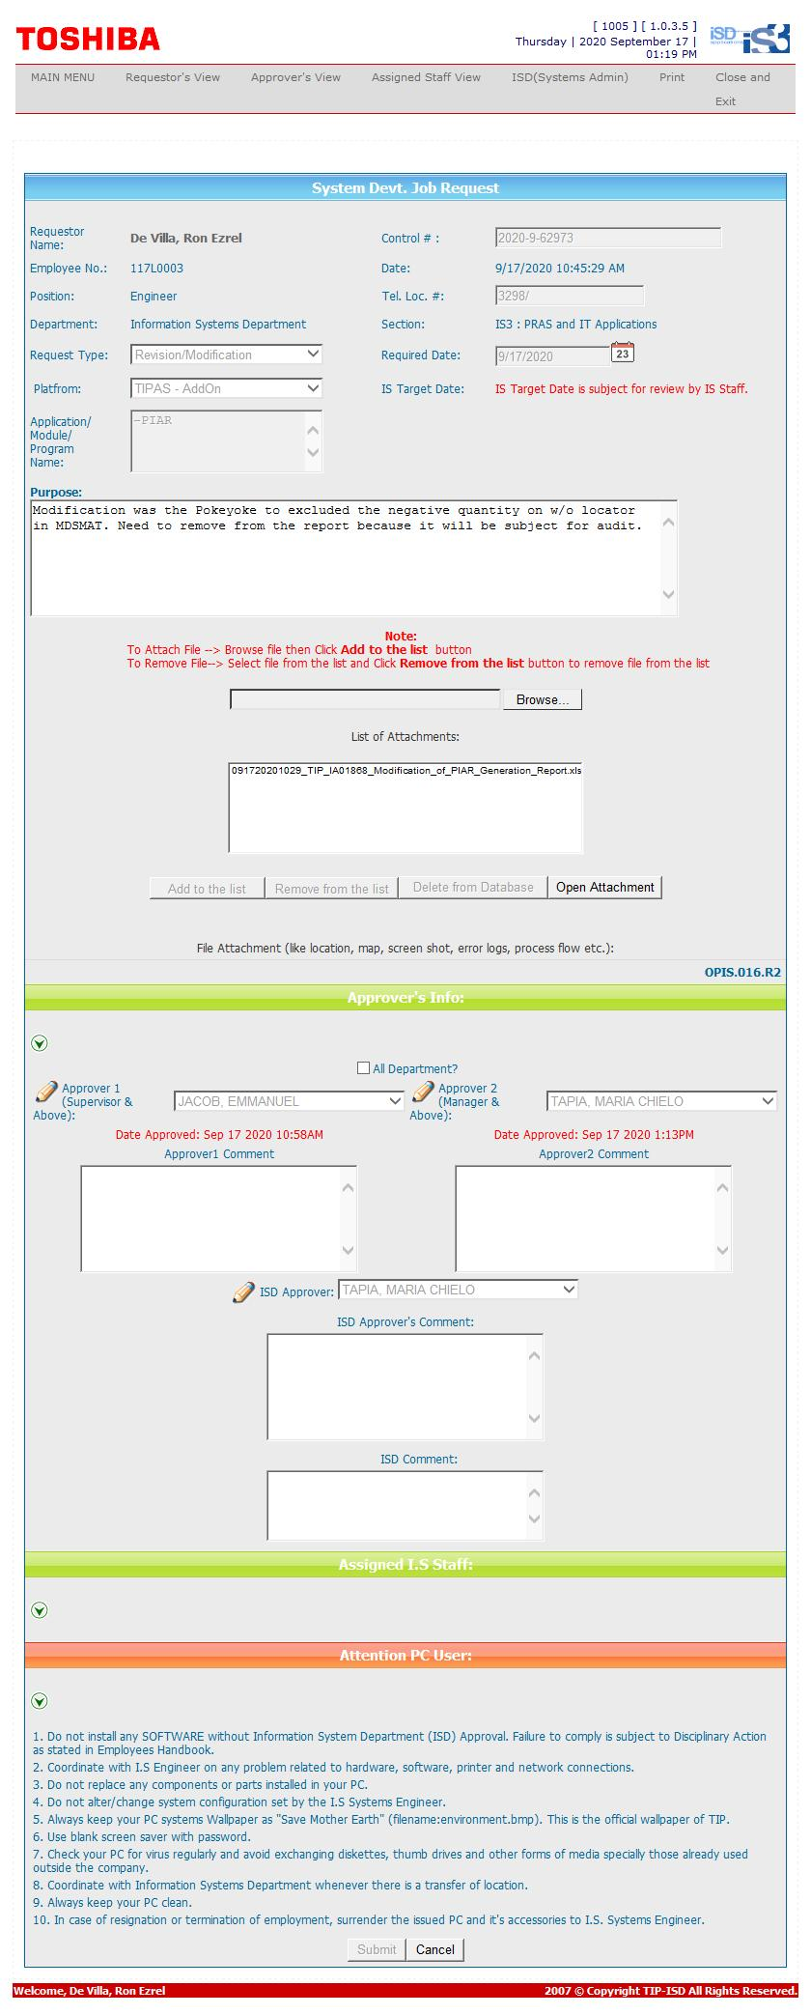
Helpdesk Request

 | ATTACH SCREENSHOT OF HELPDESK REQUEST.

